Tree
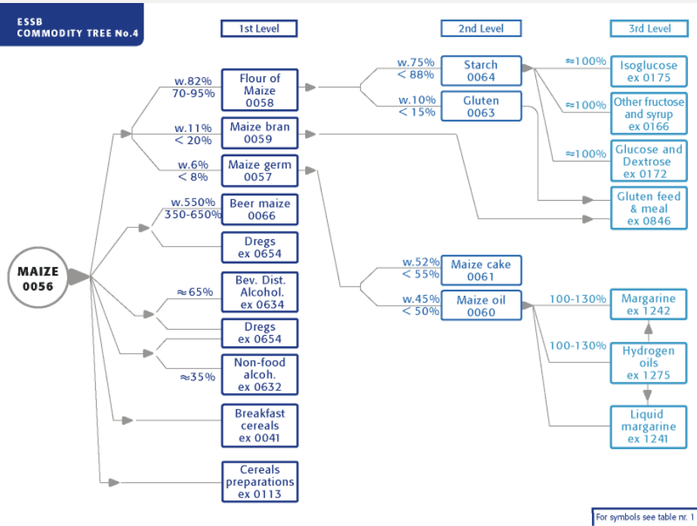
Standardization |  |  |  | AUPUS
Parent | Child | ER | Share | Parent | Child | ER | Share
15 | 41 | 8000 | 0.5 | 56 | 57 | 1000 | 0
15 | 113 | 10000 | 0 | 56 | 58 | 7000 | 0
15 | 632 | 2500 | 0 | 56 | 59 | 1500 | 0
15 | 634 | 4800 | 0 | 56 | 113 | 10000 | 0
15 | 654 | 3000 | 0 | 56 | 632 | 2500 | 0
16 | 654 | 3000 | 0 | 56 | 634 | 4800 | 0
23 | 172 | 10000 | 100 | 56 | 654 | 3000 | 0
24 | 846 | 10000 | 100 | 57 | 60 | 4500 | 100
32 | 51 | 59905.6602 | 0 | 57 | 61 | 5000 | 100
32 | 113 | 10000 | 0 | 58 | 51 | 59905.6602 | 0
32 | 632 | 2500 | 0 | 58 | 63 | 1500 | 100
32 | 634 | 4800 | 0 | 58 | 64 | 8000 | 100
32 | 654 | 3000 | 0 | 58 | 654 | 3000 | 0
33 | 846 | 10000 | 0 | 59 | 846 | 10000 | 100
34 | 172 | 10000 | 100 | 60 | 1242 | 10476.7765 | 0
36 | 1242 | 10476.7765 | 0 | 61 | 846 | 10000 | 100
49 | 51 | 59905.6602 | 0 | 63 | 846 | 10000 | 100
49 | 172 | 10000 | 0 | 64 | 172 | 10000 | 100
49 | 632 | 2500 | 0 | 172 | 168 | 10000 | 0
49 | 634 | 4800 | 0 | 172 | 633 | 50000 | 100
49 | 654 | 3000 | 0 | 1275 | 1242 | 10476.7765 | 100
50 | 51 | 59905.6602 | 100
50 | 654 | 3000 | 100
56 | 57 | 1000 | 0
56 | 58 | 7000 | 0
56 | 59 | 1500 | 0
56 | 113 | 10000 | 0
56 | 632 | 2500 | 0
56 | 634 | 4800 | 0
56 | 654 | 3000 | 0
57 | 60 | 4500 | 100
57 | 61 | 5000 | 100
58 | 51 | 59905.6602 | 0
58 | 63 | 1500 | 100
58 | 64 | 8000 | 100
58 | 654 | 3000 | 0
59 | 846 | 10000 | 100
60 | 1242 | 10476.7765 | 0
61 | 846 | 10000 | 100
63 | 846 | 10000 | 100
64 | 172 | 10000 | 100
68 | 113 | 10000 | 0
71 | 113 | 10000 | 0
71 | 632 | 2500 | 0
71 | 634 | 4800 | 0
71 | 654 | 3000 | 0
75 | 113 | 10000 | 0
79 | 654 | 3000 | 0
83 | 654 | 3000 | 0
84 | 51 | 59905.6602 | 0
84 | 632 | 2500 | 0
84 | 654 | 3000 | 0
103 | 113 | 10000 | 20
103 | 632 | 2500 | 0
103 | 634 | 4800 | 0
103 | 654 | 3000 | 0
108 | 113 | 10000 | 0
108 | 632 | 2500 | 0
108 | 634 | 4800 | 0
108 | 654 | 3000 | 0
116 | 632 | 2500 | 0
116 | 634 | 4800 | 0
116 | 654 | 3000 | 0
119 | 172 | 10000 | 100
125 | 632 | 2500 | 0
125 | 654 | 3000 | 0
129 | 172 | 10000 | 0
156 | 632 | 2500 | 0
156 | 634 | 4800 | 0
156 | 654 | 3000 | 0
157 | 632 | 2500 | 0
157 | 634 | 4800 | 0
157 | 654 | 3000 | 0
163 | 634 | 4800 | 0
165 | 632 | 2500 | 100
165 | 634 | 4800 | 0
165 | 654 | 3000 | 100
172 | 168 | 10000 | 0
172 | 633 | 50000 | 100
237 | 1242 | 10476.7765 | 0
244 | 1242 | 10476.7765 | 0
252 | 1242 | 10476.7765 | 100
257 | 1242 | 10476.7765 | 100
258 | 1242 | 10476.7765 | 100
268 | 1242 | 10476.7765 | 0
271 | 1242 | 10476.7765 | 100
274 | 1242 | 10476.7765 | 0
281 | 1242 | 10476.7765 | 0
290 | 1242 | 10476.7765 | 0
293 | 1242 | 10476.7765 | 0
331 | 1242 | 10476.7765 | 0
337 | 1242 | 10476.7765 | 0
340 | 1242 | 10476.7765 | 0
461 | 632 | 2500 | 0
461 | 634 | 4800 | 0
461 | 654 | 3000 | 0
486 | 634 | 4800 | 0
486 | 654 | 3000 | 0
489 | 654 | 3000 | 0
515 | 632 | 2500 | 0
515 | 634 | 4800 | 0
515 | 654 | 3000 | 0
521 | 634 | 4800 | 0
521 | 654 | 3000 | 100
526 | 632 | 2500 | 0
526 | 634 | 4800 | 0
526 | 654 | 3000 | 0
530 | 634 | 4800 | 0
530 | 654 | 3000 | 0
531 | 634 | 4800 | 0
531 | 654 | 3000 | 0
534 | 634 | 4800 | 0
534 | 654 | 3000 | 0
536 | 632 | 2500 | 0
536 | 634 | 4800 | 0
536 | 654 | 3000 | 0
541 | 634 | 4800 | 0
541 | 654 | 3000 | 0
542 | 634 | 4800 | 0
542 | 654 | 3000 | 0
544 | 634 | 4800 | 0
544 | 654 | 3000 | 0
547 | 634 | 4800 | 0
547 | 654 | 3000 | 0
549 | 634 | 4800 | 0
549 | 654 | 3000 | 0
550 | 634 | 4800 | 0
550 | 654 | 3000 | 0
552 | 634 | 4800 | 0
552 | 654 | 3000 | 0
554 | 634 | 4800 | 0
554 | 654 | 3000 | 0
558 | 634 | 4800 | 0
558 | 654 | 3000 | 0
560 | 634 | 4800 | 0
560 | 654 | 3000 | 0
564 | 634 | 4800 | 0
566 | 632 | 2500 | 100
566 | 634 | 4800 | 0
566 | 654 | 3000 | 100
569 | 632 | 2500 | 0
569 | 634 | 4800 | 0
569 | 654 | 3000 | 0
577 | 634 | 4800 | 0
577 | 654 | 3000 | 0
603 | 632 | 2500 | 0
603 | 634 | 4800 | 0
603 | 654 | 3000 | 0
619 | 632 | 2500 | 0
619 | 634 | 4800 | 0
619 | 654 | 3000 | 0
1275 | 1242 | 10476.7765 | 100

